Sheet1
 |  |  |  |  |  | VANS LIST 2020

 |  |  |  |  |  |  |  |  |  |  |  |  |  |  |  |  |  |  |  | DATE | 1-Sep-20
PIC | STYLE NAME | COLOR | PACK CODES | SIZE |  |  |  |  |  |  |  |  |  | PRS | CTNS | Q'TY | CARTON NUMBER | N.W. (KGS) | G.W. (KGS) | MEAS. |  |  | CBM
 |  |  |  | 36 | 37 | 38 | 39 | 40 | 41 | 42 | 43 | 44 | 45
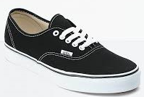 | Authentic | Black/white | SOLID | 10 |  |  |  |  |  |  |  |  |  | 10 | 12 | 120 |  | 120.0 | 240.0 | 65 | 40.0 | 30.0 | 0.94
 |  |  | SOLID |  | 10 |  |  |  |  |  |  |  |  | 10 | 15 | 150 |  | 150.0 | 300.0 | 65 | 40.0 | 30.0 | 1.17
 |  |  | SOLID |  |  | 10 |  |  |  |  |  |  |  | 10 | 15 | 150 |  | 150.0 | 300.0 | 65 | 40.0 | 30.0 | 1.17
 |  |  | SOLID |  |  |  | 10 |  |  |  |  |  |  | 10 | 15 | 150 |  | 150.0 | 300.0 | 65 | 40.0 | 30.0 | 1.17
 |  |  | SOLID |  |  |  |  | 10 |  |  |  |  |  | 10 | 15 | 150 |  | 150.0 | 300.0 | 65 | 40.0 | 30.0 | 1.17
 |  |  | SOLID |  |  |  |  |  | 10 |  |  |  |  | 10 | 15 | 150 |  | 150.0 | 300.0 | 65 | 40.0 | 30.0 | 1.17
 |  |  | SOLID |  |  |  |  |  |  | 10 |  |  |  | 10 | 15 | 150 |  | 150.0 | 300.0 | 65 | 40.0 | 30.0 | 1.17
 |  |  | SOLID |  |  |  |  |  |  |  | 10 |  |  | 10 | 15 | 150 |  | 150.0 | 300.0 | 65 | 40.0 | 30.0 | 1.17
 |  |  | SOLID |  |  |  |  |  |  |  |  | 10 |  | 10 | 12 | 120 |  | 120.0 | 240.0 | 65 | 40.0 | 30.0 | 0.94
 |  |  |  |  |  |  |  |  |  |  |  |  | 10 | 10 | 12 | 120 |  | 120.0 | 240.0 | 65 | 40.0 | 30.0 | 0.94
TOTAL |  |  |  | 10 | 10 | 10 | 10 | 10 | 10 | 10 | 10 | 10 | 10 | 100 | 141 | 1410 |  | 1,410.0 | 2,820.0 |  |  |  | 11.00
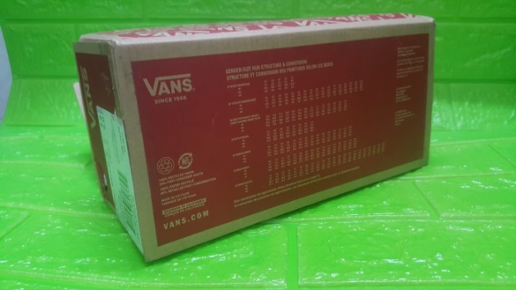

*****PACKAGING : | BOXES CARTON

 | 19USD | PER PAIRS WITH BOXES CARTON AS

